Sales Dash
Sales Dashboard

Orders by State
Orders By Customer Type
Number of Orders by State
VIC | 289
NSW | 646
WA | 104

Number of Orders by Customer Type
Home Office | 264
Consumer | 177
Small Business | 221
Corporate | 377

Orders Quantity Over 40 | 238

Sales by Account Manager
Sales by Account Manager | Total | 2013 | 2014 | 2015 | 2016 | Trend
Connor Betts | $135,493.75 | $8,706.86 | $27,899.61 | $41,877.79 | $57,009.49
Stevie Bacata | $6,771.19 | $5,695.66 | $130.74 | $455.70 | $489.09
Natasha Song | $120,790.29 | $16,049.81 | $61,179.23 | $21,588.62 | $21,972.64
Tina Carlton | $119,236.70 | $21,750.56 | $42,012.13 | $27,110.00 | $28,364.01
Nicholas Fernandes | $64,114.24 | $7,613.94 | $6,856.23 | $20,874.77 | $28,769.29
Mihael Khan | $84,170.63 | $5,150.16 | $6,707.86 | $68,219.16 | $4,093.45
Leighton Forrest | $86,080.42 | $6,351.31 | $14,097.03 | $31,907.88 | $33,724.20
Charlie Bui | $55,738.25 | $5,187.71 | $33,803.76 | $13,366.22 | $3,380.55
Yvette Biti | $148,146.81 | $41,077.48 | $56,246.56 | $35,551.66 | $15,271.11
Samantha Chairs | $79,645.75 | $14,278.11 | $15,766.07 | $38,901.42 | $10,700.15
Aanya Zhang | $69,318.89 | $20,296.34 | $4,190.56 | $2,993.35 | $41,838.65
Radhya Staples | $72,189.38 | $3,991.80 | $36,284.86 | $21,313.69 | $10,599.03
Preston Senome | $18,350.05 | $538.94 | $3,959.57 | $6,498.43 | $7,353.10
Phoebe Gour | $78,760.56 | $15,062.10 | $10,097.45 | $22,104.25 | $31,496.77

Orders by Year and State | NSW | VIC | WA | Sales Total
2013 | 138 | 66 | 17 | 171750.79886
2014 | 147 | 70 | 25 | 319231.6595
2015 | 162 | 89 | 27 | 352762.9462
2016 | 199 | 64 | 35 | 295061.525
2017 | 0 | 0 | 0 | 0
Tendências de vendas

Aula 3
SOMANDO NÃO SÓ CRITÉRIOS MAS NÚMEROS COM A FUNÇÃO ''SOMASSES ''

LEMBRETE: Realizar os intervalos nomeados para facilitar na função

>> Para o exemplo 1 queremos somar o total de vendas de Connor Betts

Preenchendo para todos, temos:
Sales by Account Manager
Connor Betts | $135,493.75
Stevie Bacata | $6,771.19
Natasha Song | $120,790.29
Tina Carlton | $119,236.70
Nicholas Fernandes | $64,114.24
Mihael Khan | $84,170.63
Leighton Forrest | $86,080.42
Charlie Bui | $55,738.25
Yvette Biti | $148,146.81
Samantha Chairs | $79,645.75
Aanya Zhang | $69,318.89
Radhya Staples | $72,189.38
Preston Senome | $18,350.05
Phoebe Gour | $78,760.56

>> Para o exemplo 2, queremos o total de vendas de cada gerente para cada ano, nesse caso, dois critérios.

 | Nessa equação estamos solicitando adicionando o 2º critério que é a ordem por ano e o ano correspondente 2013

No entando, precisa que a função fixe a coluna A por ser os nomes dos gerentes e varie a linha, E varie o ano mas não a linha. Esse comando chama-se referência mista

Dai é só preencher a coluna inteira arrastando

Aula 4
MINIGRÁFICOS

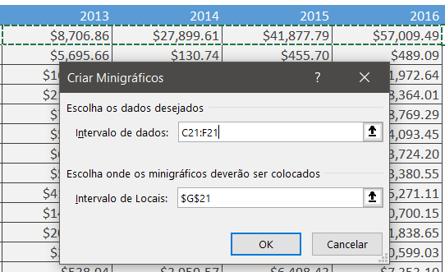
>> Mostrando a tendencia individual de vendas de cada gerente
INSERIR >>
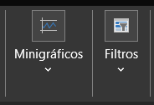

Preenchendo os demais, temos a Trend

 | Para alterar o formato, basta clicar em um que o comando servirá para todos

Nessa função podemos alterar design, pedir para mostra o mais alto e baixo das vendas, etc

 |  | QUERENDO DESTACAR APENAS UM DOS GERENTES, PODEMOS DESAGRUPAR

Aula 5
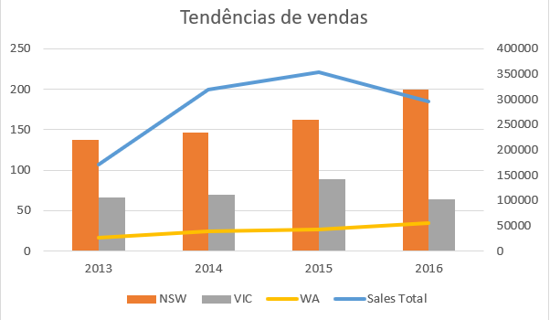
GRÁFICOS AVANÇADOS

Muitas vezes criamos um gráfico já selecionandon a grade que queremos. No entanto as vezes precisamos editar tais confirgurações
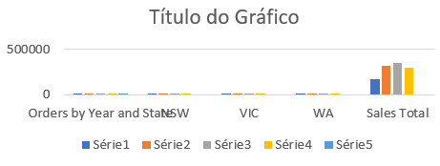
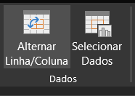
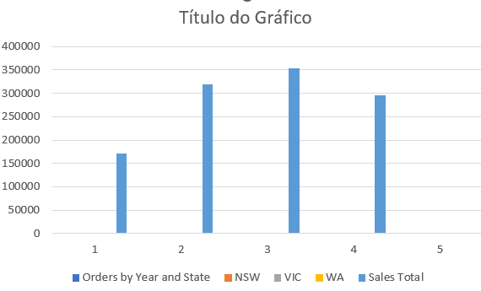

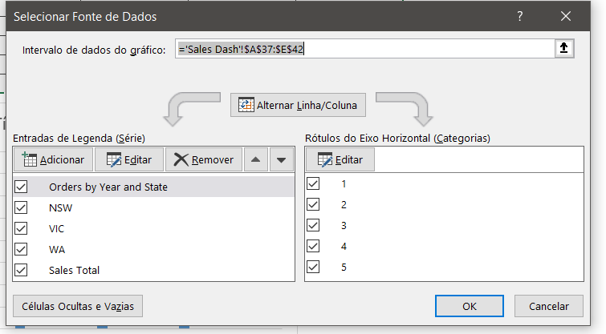
>> Mas queremos mostrar os anos no eixo horizontal
 | Alterando os dados dos gráficos do eixo horizontal:
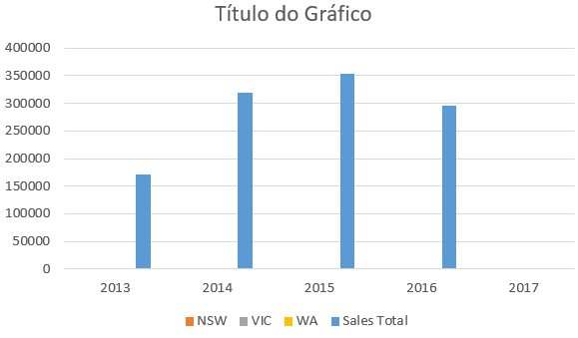

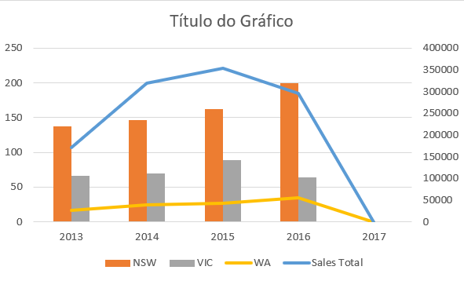

>> Mas só apresentam as vendas totais e não detalhadas. Nesse caso, faremos a comnbinação
Para isso, usamos a Combinação

 | Usando ''Total de Vendas '' como linhas e as vendas no eixo secundário, temos a seguinte combinação:

>> Mas não temos todos os dados de 2017, por isso temos uma queda tão busca, para isso retiramos 2017:

Aula 6
LINAHS DE TENDENCIA

>> Como base no gráfico da aula anterior, observamos que o Nova Gales do Sul, está aparesentando maior crescimento, e é nele que iremos focar:

>> Criando um gráfico para NSW
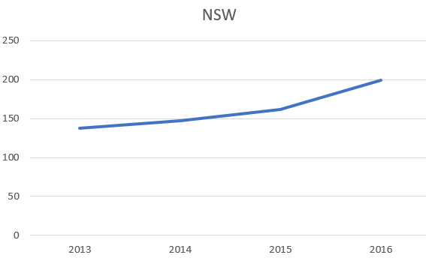

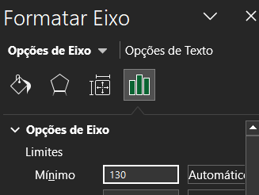
 | Podemos ver q o menor valor e de 140, editando o gráfico para n começar pelo 0
 | Formatar eixo

>> Finalmente, ''Linha de tendencia'' no próprio gráfico:
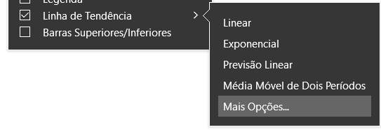

 | NSW
2013 | 138
2014 | 147
2015 | 162
2016 | 199
Para indicar o quão perto da linha de tendencia estão os nossos dados

e expontecial previsão futura : 1

